DOP1
Daily Open
 | Menu : Accounting > Adviser > Daily Postings

 |  | 1.Tap [Create] Button

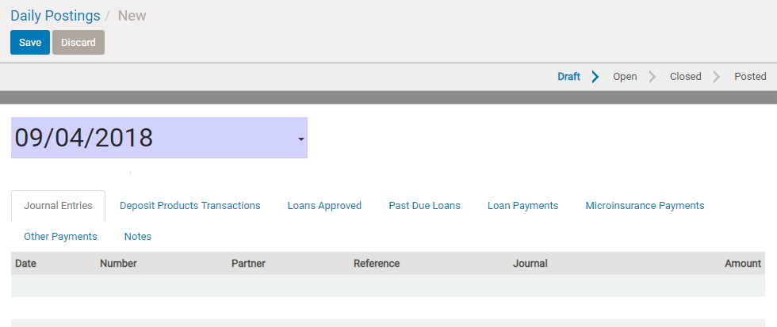

 |  | 2.Input the transaction date , and save.

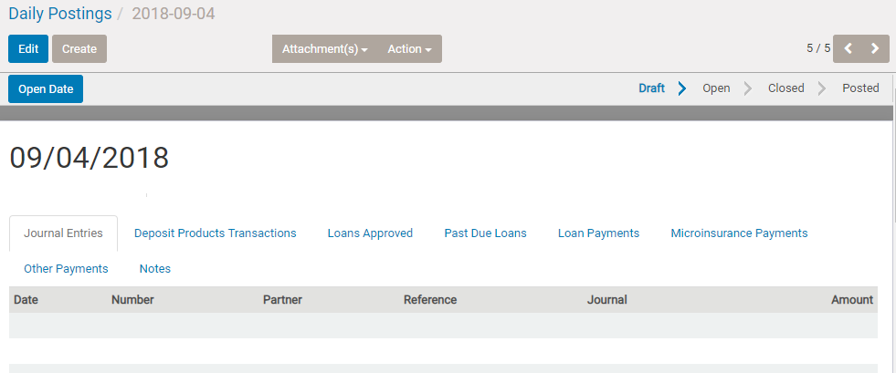

 |  | 3.Tap [Open Date]

D1_Daily_open_close_posting
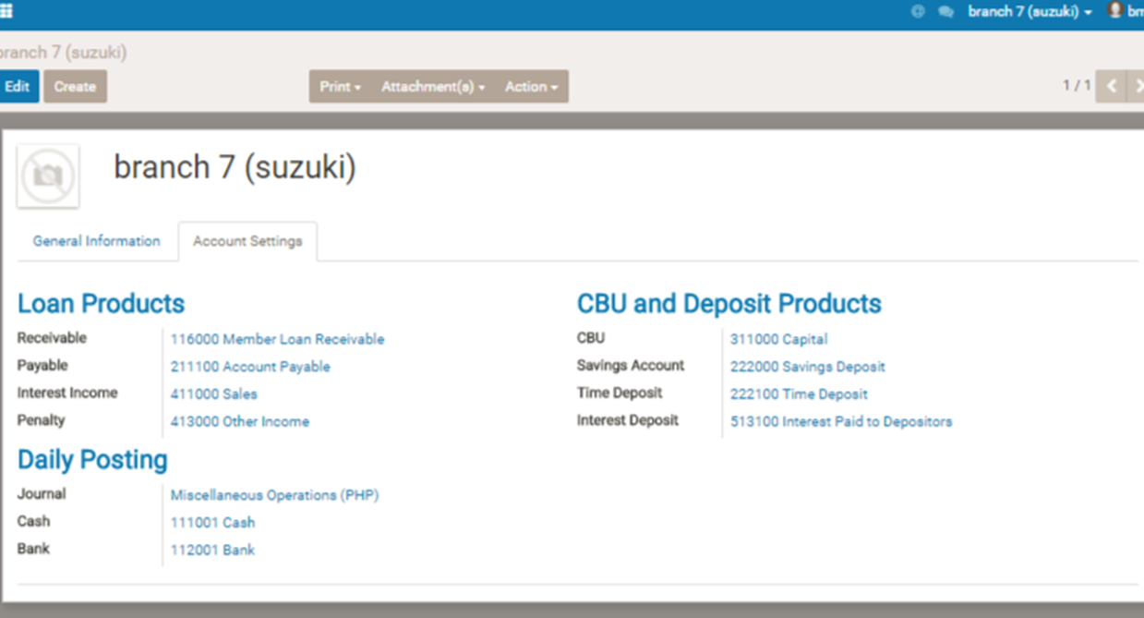
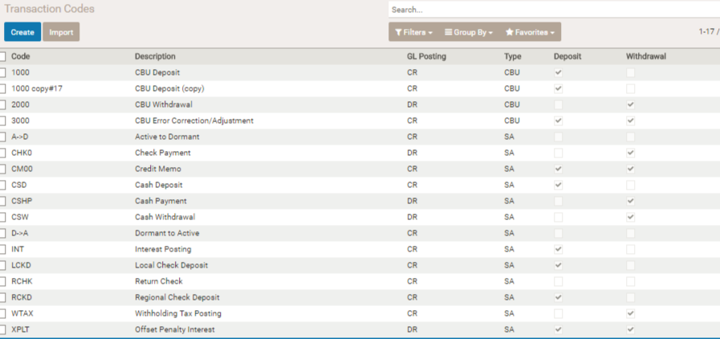
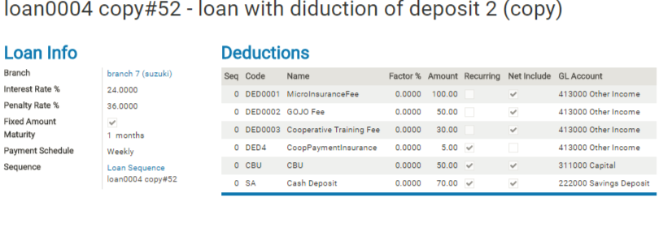
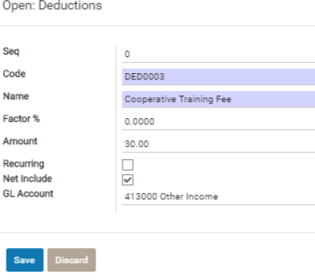
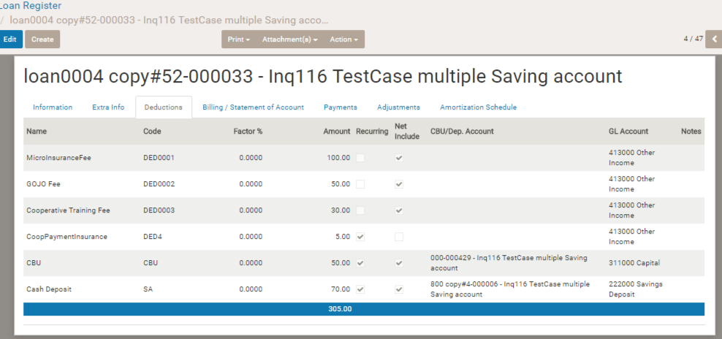
Daily Open & Close

 | Basic operation

 |  | When you begin daily operation , you need to opent the day before registering the day's transaction.
 |  | And when you finish the day's operation , you need to close the day to fix the day's transaction data.
 |  | And check the day's data is ok , then need to confirm to post the data into accounting data.

 | Batch program done when date open

 |  | 1. Calculation of Time deposit interest

 |  |  | Search time deposit account which has maturity date of the date.
 |  |  | And calculate interest on each account, then make interest append transaction on the acount.
 |  |  | If the time deposit account is the one having auto-roll over flag, the account's duration is updated automatically at this timing.

 |  | 2. Calculation of regular saving interest

 |  |  | If the date is the 4/1 , 6/1 ,10/1 ,1/1 , saving interest on reqular saving account is computed , and its appending transaction is created on the account.
 |  | 3. Dormant
 |  |  | Change status of saving account into dormant , if the acvcount has no transaction during certain period whicvh is defined in account type master.
 |  | 4.Status change of loan into pastdue
 |  |  | Change status of loan to pastdue , if the loan's maturity date is before current date and having remaining balance.

 | Batch program done when daily closing

 |  | 1.Check
 |  |  | If unapproved account transaction , stop closing

 |  | 2.Make loan billing data
 |  |  | Check loan billing data which reach payment date , and
 |  |  | if the loan has next amortization schedule , make next loan billing data.
 |  |  | If the previous billing data is not full-paid , compute and append penalty on the next billing data.
 |  |  | (In case the penalty calculation is [end of month penalty] , penalty computation is done on only monthly after amortization start date.)

 |  | 3. Retrieve transaction for account posting
 |  |  | cbu update transaction created on the date
 |  |  | regular saving transaction created on the date
 |  |  | time deposit saving transaction created on the date
 |  |  | approved loan on the date
 |  |  | loan data status-changed to pastdue on the date
 |  |  | loan collection data
 |  |  | microinsurance collection data
 |  |  | other collection data

 | Confirm closing

 |  | Post retrieved transaction data into accounting system with specific chart of account and journal

 |  | chart of account
 |  |  | designated on each master ([loan type master] [ account type master ] [other collection master] [micro insurance master])

 |  | journal
 |  |  | CR ( Cash receipt journal )… loan collection , other collection , cash deposit
 |  |  | CV (Cash disbursement journal) … loan disbursement , cash withdraw
 |  |  | General Journal …saving Interest transaction , Current > Pastdue
 |  | ○Transaction regarding approved loan
 |  | Transaction |  | Dept | Credit | post timing
 |  | Loan Principal |  | [Receivable Current] on loan type master | Cash * In case check disbursement , it is Bank (Both can be configured on Company settings.) | Daily postin on the approved date
 |  | Loan deduction (net include ) |  | Cash * In case check disbursement , it is Bank (Both can be configured on Company settings.) | GL account on deduction items on Loan Type master | Daily postin on the approved date
 |  | loan reach pastdue |  | [Receivable P.Due] on loan type master | [Receivable Current] on loan type master | Daily posting on the past due date
 |  | ○Transaction regarding CBU,saving , Time-depisti account
 |  | Transaction |  | Dept | Credit | post timing
 |  | Deposit on CBU account |  | [Cash] on Company setting | [GL Account] on account type | Daily posting on the approved date
 |  | Withdrawa from CBU account |  | [GL Account] on account type | Cash * In case check disbursement , it is Bank (Both can be configured on Company settings.) | Daily posting on the approved date
 |  | CBU devident allocation |  | [GL Account Interest] on account type | [GL Account] on account type | Daily posting on the approved date ( date of producing of devident transaction )
 |  | Deposit on Saving account |  | [Cash] on Company setting | [GL Account] on account type | Daily posting on the approved date
 |  | Withdrawa from Saving account |  | [GL Account] on account type | Cash * In case check disbursement , it is Bank (Both can be configured on Company settings.) | Daily posting on the approved date
 |  | Saving interest allocation |  | [GL Account Interest] on account type | [GL Account] on account type | Daily posting on the approved date ( date of producing of interest transaction )
 |  | Deposit on Time Deposit account |  | [Cash] on Company setting | [GL Account] on account type | Daily posting on the approved date
 |  | Withdraw from Time Deposit account |  | [GL Account] on account type | Cash * In case check disbursement , it is Bank (Both can be configured on Company settings.) | Daily posting on the approved date
 |  | Time deposit interest allocation |  | [GL Account interest] on account type | [GL Account] on account type | Daily posting on the approved date ( date of producing of interest transaction )
 |  | ○Transaction of payment of loan
 |  | Transaction |  | Dept | Credit | post timing
 |  | Principal due payment (In case of Current loan) |  | Cash *Cash Collector' Receipt (If use collection entry and the in-branch flag is off ) | [Receivable Current] on loan type master | Daily poting on payment date
 |  | Principal due payment (In case of PastDue loan) |  |  | [Receivable P.Due] on loan type master
 |  | Loan Interest due payment |  |  | [Interest Income] on loan type master
 |  | Loan Penalty due payment |  |  | [Penalty] on loan type master
 |  | Other due payment ( payment of recurring deduction items amount) |  |  | GL account on deduction items on Loan Type master
 |  | ○Note： restructured loan
 |  | In case of loan restructre , remaining due of principal ,interest ,penalty ,other of the loan restructured will be transfered into next new loan record's deduction. (Meaning, remaining principal due is offset by this deduction chart of account posted on credit side, and instead new Receivable Current amount will be posted on Dept side. And other remaining due will be added on Credit side.) The timing of posting is approved date of the new loan , and chart of account corresponding to each transaction type is posted like below.
 |  | Transaction |  | Dept | Credit | post timing
 |  | Loan Principal of Restructured loan |  | [Receivable Current] on loan type master | Cash * In case check disbursement , it is Bank (Both can be configured on Company settings.) | Daily postin on the approved date
 |  | Remaining principal due （In case of the restructured loan is Current) |  | Cash * In case check disbursement , it is Bank (Both can be configured on Company settings.) | [Receivable Current] on loan type master
 |  | Remaining principal due （In case of the restructured loan is Past Due) |  |  | [Receivable Pastdue] on loan type master
 |  | Remaining due of restructured loan's interest |  |  | [Interest Income] on loan type master
 |  | Remaining due of restructured loan's penalty |  |  | [Penalty] on loan type master
 |  | Remaining due of restructured loan's remaining(expetected amount of future payment if the loan is continue ) recuring deduction item's amount |  |  | GL account on deduction items on Loan Type master

